2. Population Flow
2. Population flow

Orders - original data
Total: 3421083
orders_products_prior - original data
Total: 32434489
Products - original data Total : 49693
Customers - original data
Total: 206209

Orders - after consistency checks
Total: 3421083
orders_products_prior - after consistency checks
Total: 32434489
Products - after
consistency checks
Total: 49672
Customers - after consistency checks
Total: 194950

Orders_products_merged
Total: 32404859
Orders_products_all
Total: 30629741
Orders_products_all
Total: 30629741
Orders_products_combined
Total: 32434489

High activity customer:
Total: 28521639

6. Results
6. Results

1
 | The sales team needs to know what the busiest days of the week and hours of the day
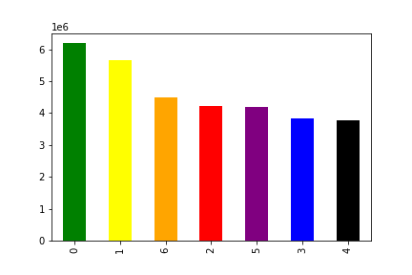
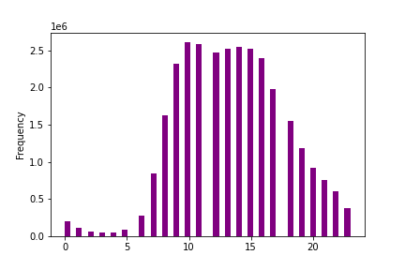

Saturday
Sunday
Monday
Tuesday
Wednesday
Thursday
Friday
Hours: 0 - 24

Answer: The busiest days are Saturday and Sunday. Busiest hours are between 8 a.m. and 7 p.m.

Recommendation: The sales team can schedule ads or push notifications at times when there are fewer orders.

2
 | They also want to know whether there are particular times of the day when people spend the most money.

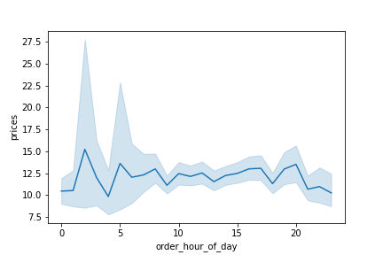
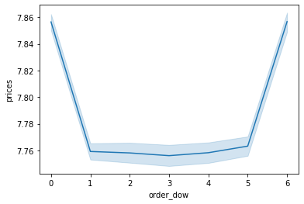

Saturday
Sunday
Monday
Tuesday
Wednesday
Thursday
Friday

Answer: People spend most money at night, around 2 or 3 a.m. around 5 a.m., 8 a.m. and 8 p.m. Fridays and Saturdays people are biggest spenders.

Recommendation: Instacard can use these informarion to advertise certain products at these times

3
 | Are there certain types of products that are more popular than others? The marketing and sales teams want to know which departments have the highest frequency of product orders.

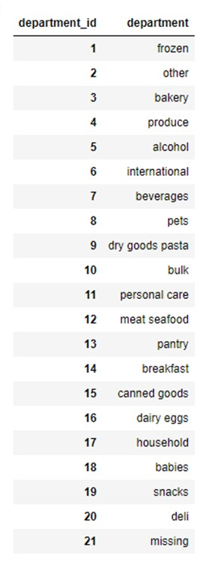
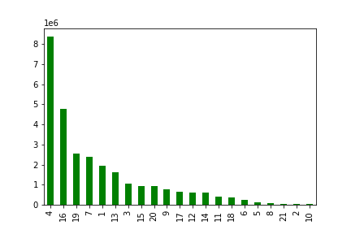

Answer: There are a few departments that have highest sales. As we can see, produce, dairy eggs, snacks as well as beverages are very popluar.

Recommendation: Instacart has a lot of products with different price tags. Marketing and sales could use simpler price range groupings to help direct their efforts.

4
 | The marketing and sales teams are particularly interested in the different types of customers in their system and how their ordering behaviors differ. For example: Are there differences in ordering habits based on a customer’s loyalty status?
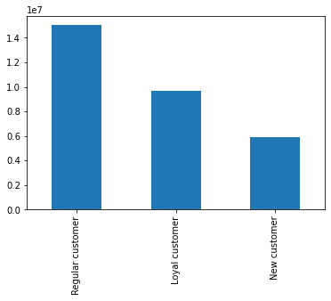
Regular customer ( order 10-40) 15.020.190
Loyal customer ( order > 40) 9.707.390
New customer ( order < 10) 5.044.177

days_since_prior_order
average max average price
Regular customer 10 days 30 days $12.42
Loyal customer 5 days 14 days $10.33
New customer 16 days 30 days $13.13

Answer: Most Instacard customers come back on a regular basis (regular customers). They "go" shopping every 10 days in average. New customer return in average every 16 days and spend most money. Loyal cusomer return every 5 days and stay no longer tgan 14 days away from Instacard. These loyal customer however the ones who spend the least amount of money in average.

Recommendation:

5
a
 | Are there differences in ordering habits based on a customer’s age? Consider the price of orders.

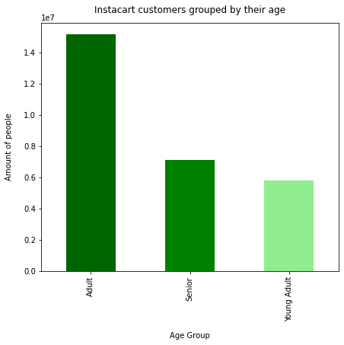

Adult ( 30 - 65 ) 15.175.045
Senior ( + 65 ) 7.123.839
Young Adult ( under 30) 5.801.222

Average article prices by age group:
Adult $11.9
Senior $11.6
Young Adult $12.0

Answer: Most customers are between 30 and 65 years old and least are Young Adults. At the other hand, Young Adults are the ones buying articles with highest prices in average. The share of Seniors are high for an online grocery store that operates through an app.

Recommendation: Instacard could think about a refer-a-friend programm among the yound adults age group order to win more customers under 30. These are the ones buying the more expensive products in average.

5
b
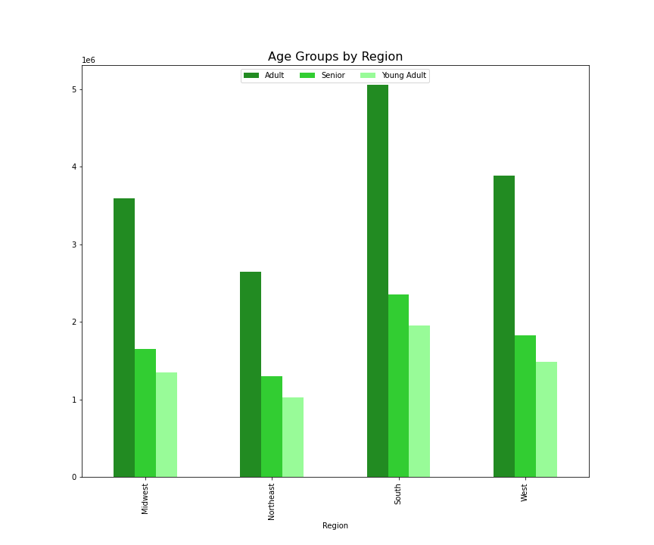
 | Are there differences in ordering habits based on a customer’s age or region?

Overall distribution: Instacart Customer by Region
South 9.500.287
West 7.298.089
Midwest 6.679.086
Northeast 5.044.177

Answer: As we can see, most Instacard customers are based in the sounth states of the US (top left). That also explains the distribution of the chart "Age Groups by Region* (right). This chart doesn't tell us a lot.

Recommendation: In order to have a better picture, the calculation of a proportion would be recommended.

6
 | Is there a connection between income and price in terms of ordering habits?

Middle income (40K - 100K)
High income (+100K)
Low income ( > 40K)
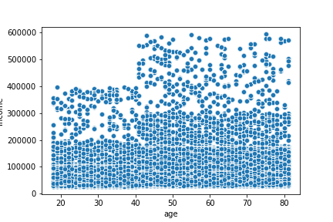
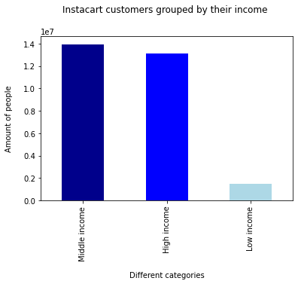

Average article prices by income group:
Middle income $8.2
High income $16.2
Low income $6.5

Answer: Most customers have an income between 40K and +100K annually. As we can see from the following numbers, people with a high income buy articles with an average price of $16. Customer with a low income resort to cheap products. People aged +40 have an higher income.

Recommendation: Offering some more low priced products, so the customer base having a low income can rise (if wanted)

6
 | What different classifications does the demographic information suggest? e.g. Family status
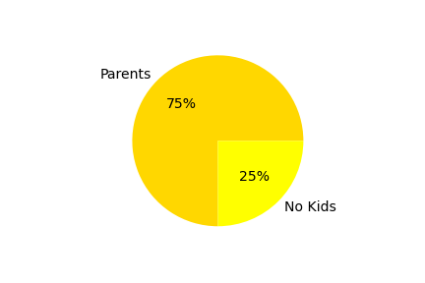
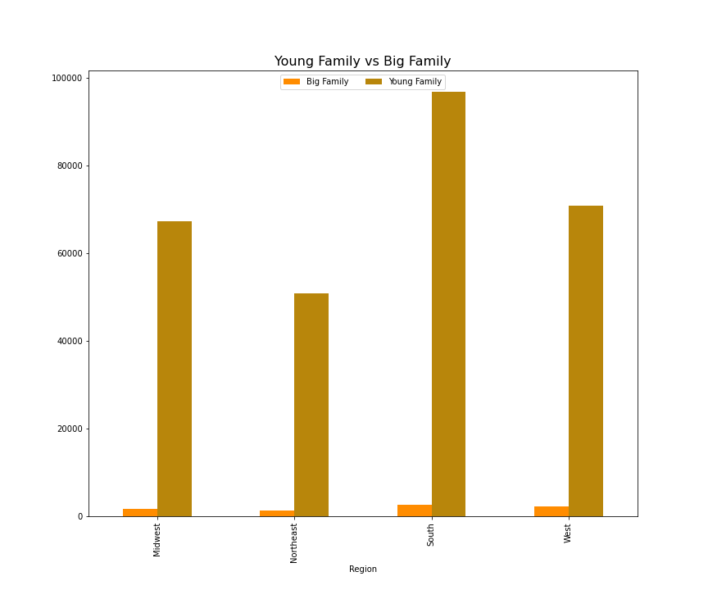

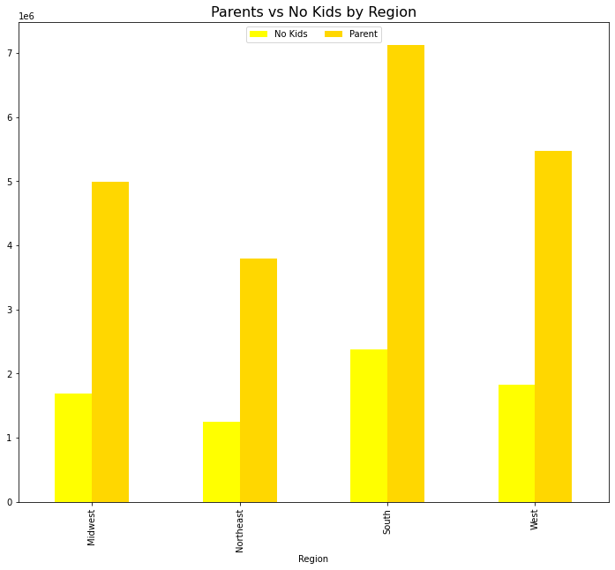

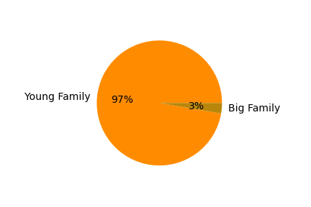

Answer: Most of the customer are parents (75%) with one or two kids, who are ordering baby products. Only 3% of the parents have more than 2 kids an do bulk shopping. Here, too, the distribution of the various regions is not very meaningful.

Recommendation: Young Families are a great target for the marketing and sales dapartment for some special offers.

6
 | What different classifications does the demographic information suggest? e.g. Certain types of goods?

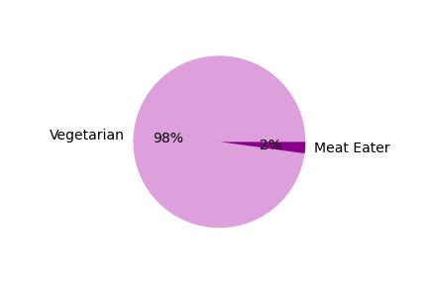
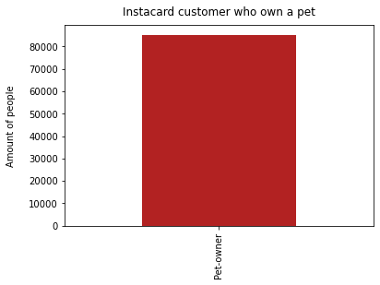

Answer: In order to uncover more insights, two analysis were run. One regarding the counsumption of meat and one on the purchases of pet products. Most purchases do not include meat. There are a bit more than 80.000 people owning a pet. That makes 0,26 % only.

Recommendation: Running further analysis why people buy so little meat and considering some ads towards pet owners.

